6-8.Ingre&Nutrition&Allergens
6.Product Composition
Ingredients |  | Components |  | % Composition | Supplier Names | Country of Origin | Genetically modified?
(Including E numbers and *functions for additives) |  | (if ingredient is composed of several sub-ingredients) |  | (Please list the ingredients in descending order) | (Please list all suppliers per ingredient)
Rice |  |  |  | 100.00% | Hong Nhut | Vietnam | No

 | Vietnam |  | Total | 100.00%
*Please choose the functional of food additives from below: sweeteners / colours / preservatives / antioxidants / carriers / acids / acidity regulators / anti-caking agents / anti-foaming agents / bulking agents / bulking agents / emulsifiers / emulsifying salts / firming agents / flavor enhancers / foaming agents / gelling agents / glazing agents / humectants / modified starches / packaging gases / propellants / raising agents / sequestrants / stabilisers / thickeners / flour treatment agents / contrast enhancers

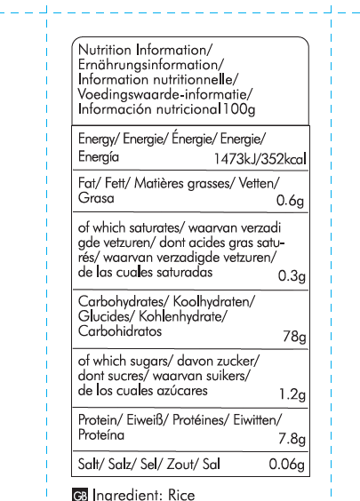
Are Genetically Modified Organisms handled on manufacturing site? |  |  |  |  | No
Is GMO free certificate available for the ingredients at GMO risk? |  |  |  |  | statement
7.Nutritional Information |  | * Not Mandatory
Typical Values (g) |  | OPP/CPP
Energy (Kcal/KJ) |  | Kcal: 352 KJ: 1473 |  |  |  |  |  | 0
Fat |  | 0.6 g
of which saturate fat |  | 0.3 g |  |  | 600
of which monounsaturated fat* |  | N/A |  |  | 400
of which, polyunsaturated fat* |  | N/A |  |  | 235
Carbohydrate |  | 78 g
of which sugar |  | 1.2 g
of which Polyols* |  | N/A
of which starch* |  | N/A
Fibre* |  | 1.7 g
Protein |  | 7.8 g
Salt |  | 0.06 g |  | Sodium in mg x 2.5 /1000 = salt in g
NOTE: Must attach lab analyses report
8.The fourteen Allergens – Regulation (EU) No 1169/2011
 | 5 |  |  | Product contains? | in which ingredient? | Handled on manufacturing site? | Risk of Cross Contamination
 | 25 |  |  | Yes/No |  | Yes/No | Yes/No
01 | Cereals containing gluten including wheat, Rye, Barley, Oats, Spelt & Khorasan and products thereof: |  |  | No | N/A | No | No
02 | Crustaceans and products thereof: |  |  | No | N/A | No | No
03 | Fish and products thereof: |  |  | No | N/A | No | No
04 | Molluscs and products thereof: |  |  | No | N/A | No | No
05 | Peanuts and products thereof: |  |  | No | N/A | No | No
06 | Soybeans and products thereof: |  |  | No | N/A | No | No
07 | Milk and products thereof: |  |  | No | N/A | No | No
08 | Nuts and products thereof: |  |  | No | N/A | No | No
09 | Celery and products thereof: |  |  | No | N/A | No | No
10 | Mustard and products thereof: |  |  | No | N/A | No | No
11 | Sesame seeds and products thereof: |  |  | No | N/A | No | No
12 | Sulphur Dioxide or Sulphites: |  |  | No | N/A | No | No
13 | Lupin and products thereof: |  |  | No | N/A | No | No
14 | Egg and products thereof: |  |  | No | N/A | No | No

9-13.Quality Attributes
9.Chemical Standard & Harmful Contamination
Test Item Depends on the products, different pesticides, heavy metals, chemicals should be monitord. Fill in the items to be monitored according to the likely risk of contamination ; Example : Cadmium in seaweed, Acidity in sushi ginger |  | EU MRL standard/Recommendation | Country of Origin MRL Standard | Test Frequency
Cd |  | N/A | 0.1 mg/kg | every 3 months
Pb |  | N/A | 0.2 mg/kg | every 3 months
As |  | N/A | 0.15 mg/kg | every 3 months
Tricyclazole | Vietnam | N/A | 0.001 mg/kg | every 3 months
Aflatoxin( B1, B2, G1, G2) | 35060740661950 | N/A | 0.5ug/kg | every 3 months
Ochratoxin A |  | N/A | 0.5ug/kg | every 3 months
Zearalenone |  | N/A | 10ug/kg | every 3 months
Deoxynivalenol |  | N/A | 10ug/kg | every 3 months
10.Acrylamide
Are Products at risk of acrylamide? |  |  |  |  | No
If Yes. What mitigation measures are in place to manage acrylamide levels with the food? |  |  |  |  | N/A
11.Radioactivity | *occurs naturally in all food and can be transferred into food in different ways eg crops from soil, drinking water from the earth, Fish and Shellfish from the water or Sea floor.
Has the product/ ingredient been irradiated? |  |  |  |  | 600
Is the product/ ingredient subject to potential radioactive cross contamination? |  |  |  |  | 400
If yes, what controls in place |  |  |  |  | 235
Has the product/ ingredient been imported into the UK from a country that has high levels of radioactivity? |  |  |  |  | No
If Yes, how is this controlled and what checks are carried out? |  |  |  |  | N/A
12.Microbiology Standards | *Please insert GB standard
Micro-organisms | Type | Country of Origin Government Standard | Manufacturer Standard | Test Frequency
TVC | Quality Indicator | Vietnam | ≤ 106 | 1 sample/year | *please clarify by filling in how many samples per day/PO rather than by each lot
Escherichia coli | Hygiene indicator | Vietnam | ≤ 102 | 1 sample/year
Enterobacteriaceae | Hygiene indicator | N/A | N/A | N/A
Listeria spp | Hygiene indicator | N/A | N/A | N/A
Listeria monocytogenes | Pathogens | N/A | N/A | N/A
Campylobacter spp. | 5 | N/A | N/A | N/A
Escherichia coli O157 | 25 | N/A | N/A | N/A
Salmonella spp. | Pathogens | N/A | N/A | N/A
Shigella spp. | Pathogens | N/A | N/A | N/A
Vibrio cholera (O1 and O139) | Pathogens | N/A | N/A | N/A
Vibrio parahaemolyticus | Pathogens | N/A | N/A | N/A
Bacillus cereus | Pathogens | Vietnam | ≤ 102 | 1 sample/year
Bacillus spp. | Pathogens | N/A | N/A | N/A
Clostridium perfringens | Pathogens | Vietnam | ≤ 102 | 1 sample/year
Staphylococcus aureus and other coagulase-positive staphylococci | Pathogens | Vietnam | ≤ 102 | 1 sample/year
13.Acceptance and Rejection standard
Standard Product Photo & Description |  | Rejected Product Photo& Description
IE. Grading, Sizing, Appearance, Flavor/taste, Texture, Colour, smell |  | IE. Grading, Sizing, Appearance, Flavor/taste, Texture, Colour, smell
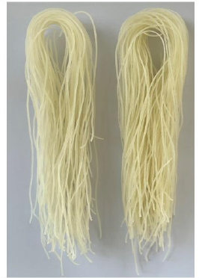 light yellow diameter 0.8-1.2 mm |  | 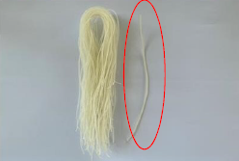 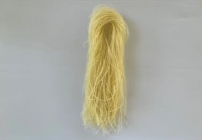 too thick colour too dark

14-16.Quantity&packaging info
14.Quantity Attributes
 | Unit (g) | Case (kg)
Unit Drained Weight (If Product contains liquid) | N/A | N/A
Net Weight | 400 | 8
Gross Weight | 406 | 8.865
Is the product packed in a Protective atmosphere? (if yes, indicate the composition on gases used if applicable) |  |  |  | No
Is the product vacuum packed? |  |  |  | No
Primary Package Plastic Material Comply with Commission Regulation (EU) No 10/2011 |  |  |  | Yes
15.Packaging Weight Dimensions & Container Maxi Load
 | Description/Color | Materials *please indicate the plastic material from below 01-07 | Weight (g) | Dimensions (mm)

Primary： | transparent | OPP/CPP | 6 | L | 130
 |  |  |  | W | 60
 |  |  |  | H | 280
Secondary: | brown | Paper | 745 | L | 600
 |  |  |  | W | 400
 |  |  |  | H | 235
20FCL Max Load without palletized | 620 ctns
40FCL Max Load without palletized | 1520 ctns |  | 40 HC

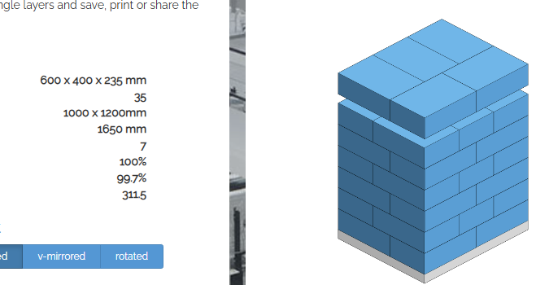
16.Pallet Configuration |  |  |  |  | 183.825
 | UK Pallet Configuration (1.0m x 1.2m) | EU Pallet Configuration (0.8m x 1.2m)
Cases per layer | 5 | 4
Number of layers | 5 | 7
Cases/pallet | 25 | 28
Pallet height (m) | 1.175 | 1.645
Pallet weight (kg) | 221.6 | 248.2
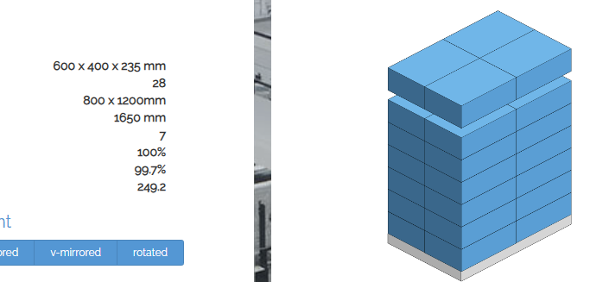
Pallet Top-View
 | *pallet height must lower than 1.75m & weight under 1000kg

